Sheet1
Dataset | Vertices | Edges | Vertex types | Edge types | Meta-paths | Schema | HomoG time | A-P & P-T-P-A | A-P-T & T-P-A | Optim1 HomoG time | Optim2 HomoG time | Clustering Time | HomoG time without visitList | [0] 查找所需要的时间 | [0] Join所需要的时间 | [1] 查找所需要的时间 | [1] Join所需要的时间 | [2] 查找所需要的时间 | [2] Join所需要的时间 | [1] join analysis | [2] join analysis | 以[1]为分点，估算join次数所需要的时间 | 以[2]为分点，估算join次数所需要的时间
IMDB | 854616 | 3898144 | 4 | 3 | 12 | 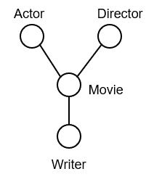 | "1 1 0 0 1"=371590us num of A = 54881 "1 1 0 2 2 3 0 0 1"=5746950us | num of P = 513278 "1 1 0 2 2 3 0 0 1"=88445297us | num of T = 84323 "1 1 0 2 2 3 0 0 1"=1452351us | "1 1 0 0 1"=464043us "1 1 0 2 2 3 0 0 1"=1327023us | same to Optim1 | path=2：6459us path=3: 212131us | "1 1 0 0 1"=386887us "1 1 0 2 2 3 0 0 1"=112729283us | num of A = 54881 "1 1 0 2 2 3 0 0 1"=5,515,450us | 231,500us | num of P = 513278 "1 1 0 2 2 3 0 0 1"=82,020,233us | 6,425,064us | num of T = 84323 "1 1 0 2 2 3 0 0 1"=738,662us | 713,689us | total: 19,133,610 useful: 2,109,848 useless: 17,023,762 | total: 4,497,207 useful: 2,109,848 useless: 2,387,359 | ”1 1 0 2 2 3 0 0 1“=1,327,271us | ”1 1 0 2 2 3 0 0 1“=1,178,846us
PubMed | 14256 | 33556 | 4 | 3 | 12 | 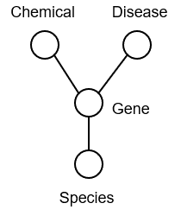 | "3 5 0 2 3"=11357us num of [0] = 886 "3 5 0 0 1 3 0 2 3"=481812us | num of [1] = 1186 "3 5 0 0 1 3 0 2 3"=549546us | num of [2] = 5348 "3 5 0 0 1 3 0 2 3"=623107us | "3 5 0 2 3"=5765us "3 5 0 0 1 3 0 2 3"=621558us | same to Optim1 | path=2: 2106us path=3: 25245us | "3 5 0 2 3"=11207us "3 5 0 0 1 3 0 2 3"=3206070us | num of [0] = 886 "3 5 0 0 1 3 0 2 3"=375,142us | 106,670us | num of [1] = 1186 "3 5 0 0 1 3 0 2 3"=359,815us | 189,731us | num of [2] = 5348 "3 5 0 0 1 3 0 2 3"=110,894us | 512,213us | total: 1,254,402 useful: 474,144 useless: 780,258 | total: 14,728,291 useful: 474,144 useless: 14,254,147 | "3 5 0 0 1 3 0 2 3"=7,536us | "3 5 0 0 1 3 0 2 3"=8,504us
TMDB | 71978 | 113581 | 7 | 12 | 37 | 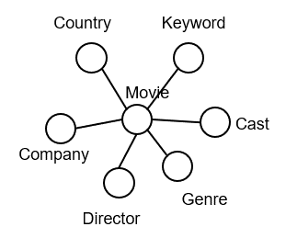 | "0 0 1 1 0"=98892us num of [0] = 54588 "1 1 0 2 2 3 0 0 1"=42131524us | num of [1] = 4803 "1 1 0 2 2 3 0 0 1"=12880252us | num of [2] = 88 "1 1 0 2 2 3 0 0 1"=10317216us | "0 0 1 1 0"=83781us "1 1 0 2 2 3 0 0 1"=9978182us | same to Optim1 | path=2: 0.058405s path=3: 4.859655s | "0 0 1 1 0"=0.073283s "1 1 0 2 2 3 0 0 1"=26.618696s | num of [0] = 54588 "1 1 0 2 2 3 0 0 1"=19,295,988us | 22,835,536us | num of [1] = 4803 "1 1 0 2 2 3 0 0 1"=1,815,658us | 11,064,594us | num of [2] = 88 "1 1 0 2 2 3 0 0 1"=49,808us | 10,267,408us | total: 101,211,454 useful: 82,611,016 useless: 18,600,438 | total: 91,350,165 useful: 82,611,016 useless: 8,739,149 | ”1 1 0 2 2 3 0 0 1“=58,319us | ”1 1 0 2 2 3 0 0 1“=44,329us
DBLP | 748884 | 1366161 | 4 | 3 | 11 |  | "1 3 0 0 1"=944367us num of [0] = 402154 "1 3 0 2 3 5 0 0 1"=245507480us | num of [1] = 409340 "1 3 0 2 3 5 0 0 1"=609062083us | num of [2] = 66019 "1 3 0 2 3 5 0 0 1"=47306149us | "1 3 0 0 1"=1100571us "1 3 0 2 3 5 0 0 1"=46363745us | same to Optim1 | path=2: 0.161409s path=3: 32.082906s | "1 3 0 0 1"=0.859486s "1 3 0 2 3 5 0 0 1"=172.553389s | num of [0] = 402154 "1 3 0 2 3 5 0 0 1"=158,848,148us | 86,659,332us | num of [1] = 409340 "1 3 0 2 3 5 0 0 1"=155,026,118us | 454,035,965us | num of [2] = 66019 "1 3 0 2 3 5 0 0 1"=493,554us | 46,812,595us | total: 393,195,273 useful: 299,241,424 useless: 93,953,849 | total: 353,765,271 useful: 299,241,424 useless: 54,523,847 | "1 3 0 2 3 5 0 0 1"=1,335,388us | "1 3 0 2 3 5 0 0 1"=1,249,994us
IMDB | 854616 | 3898144 | 4 | 3 | 12
Dbpedia | 5900558 | 17961887 | 413 | 637 | 50
DBLP | 2056444 | 6607065 | 4 | 3 | 11 | 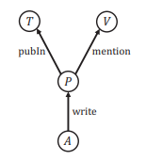 |  |  |  |  |  |  | "1 3 0 0 1"=3089291us
Foursquare | 4472122 | 10200000 | 4 | 3 | 8 | 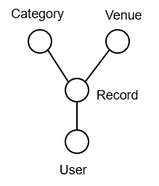 |  |  |  |  |  |  | "1 1 0 0 1"=1007883us

